Payroll report example
Connectpay: |  | "Payroll Journal Report"

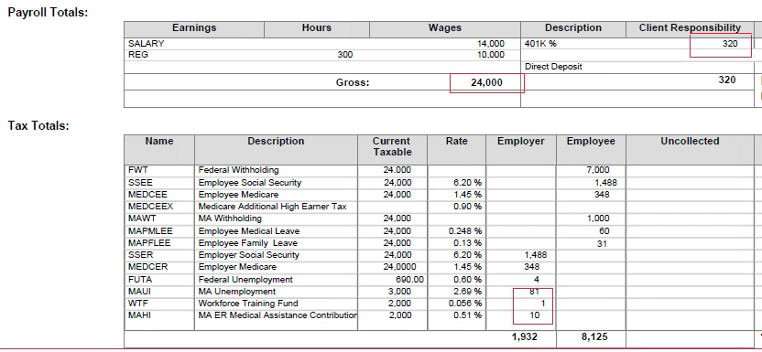

ADP: | "Payroll Details"

